2. Scope
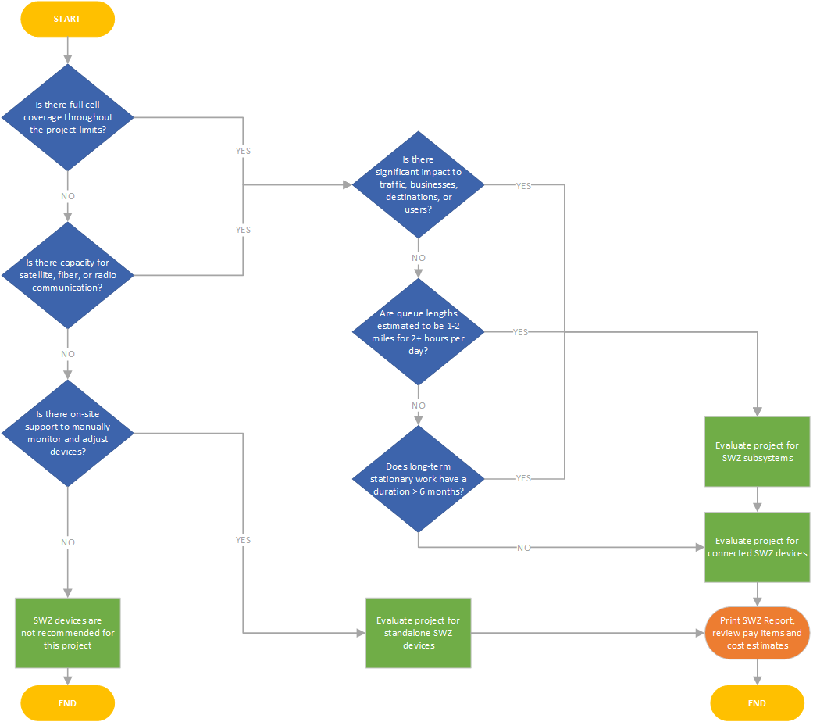
Smart Work Zone Scope
Instructions | Recommended Scope
This flowchart will help to determine whether to deploy SWZ devices or a system. Answer the following questions, then fill out the recommendation in cell F2 to proceed to the next step.

